Sheet1
Quantity | Reference | Manufacturer | Manufacturer Part Number | Distributor | Dist. Part Number | Note
1 |  | JST | H4P-SHF-AA | Digikey | 455-4191-ND | 4-pin to sound PCB
1 |  | JST | H6P-SHF-AA | Digikey | 455-4193-ND | 6-pin to esh PCB
6 |  | JST | SHF-001T-0.8BS | Digikey | 455-1121-2-ND | JST pins (substitute: BHF-001T-0.8BS )

 |  |  |  |  |  | 2 feet of wires per cable

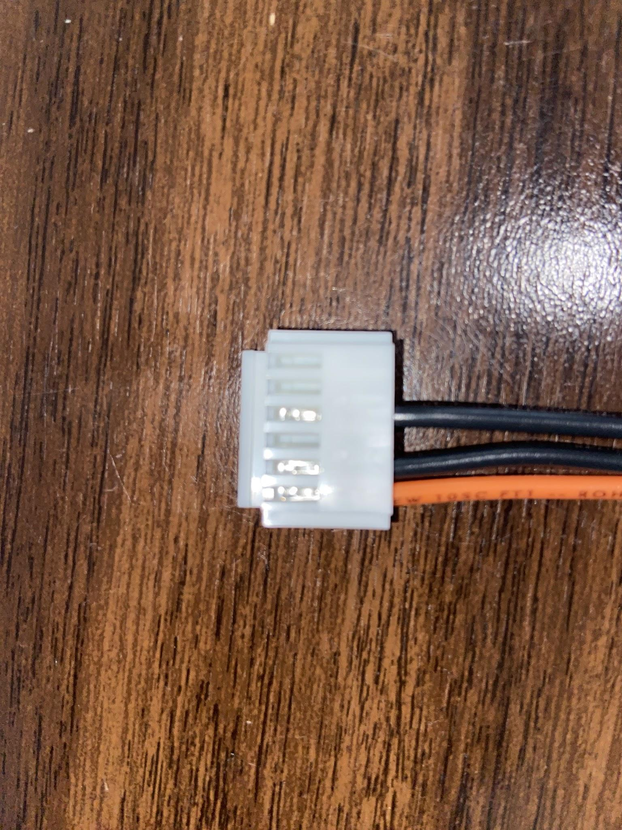
 |  |  |  |  |  | Pin 1 of the 6-pin connector is the audio signal and (I think) connects to pin 1 of the 4-pin connector.
 |  |  |  |  |  | Pins 2 and 4 are ground.
 |  |  |  |  |  | Pin 3 is the other audio channel used by Interstellar and is not used by Esh's so I leave it unconnected.

